BUSA Committee VOTING FORM
UNIVERSITY: |  |  |  |  |  |  | HOW TO COMPLETE: Put an X in the boxes of the person you wish to vote for on behalf of your club.
Commodore/Captain completing the form:

Position | NAME (*attending AGM) | Photo | UNIVERSITY AND CURRENT YEAR | EXPERIENCE: | NOMINATED BY: |  | Vote 1 | Vote 2 | Abstain
Vice President | Sean Clarkson* | 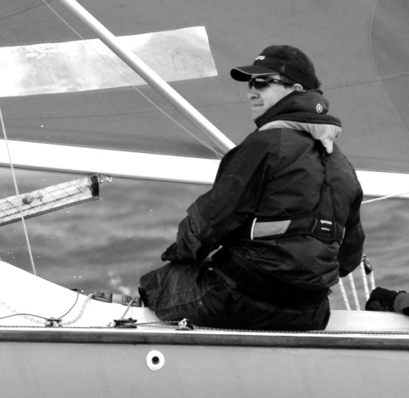 | Sheffield Hallam, Final Year PhD (Grad Nov 15) | I started sailing at around 8 years old, and have sailed a range of yachts, dinghies, and keelboats at regional and national competitions. Whilst at university I started team racing, and caught the ‘bug’! I have been commodore of Sheffield Hallam sailing club for the past 2 years, working with the committee to secure considerable investment, start Hallam’s own team racing event, and transform the club to be active and vibrant. I have been BUSA team racing coordinator for the past year. This has developed my knowledge of team racing as a whole, working alongside the regional representatives to ensure smooth running of the qualifiers, and other committee members to organise and run the playoffs. I have considerable experience in event organisation and race management: either as race officer, event organiser, or part of the race management team. Amongst other events I have been PRO of the 2013/2014 Hallam Hangover, and PRO of the 2014 BUSA Playoffs. I have good communication and organisation skills, a can do/proactive attitude, and a reputation for ‘getting things done’. With these skills and my previous experience I feel I can offer a great deal to BUSA, its members, and the role of vice president. | Bex Dawkes, Durham University | Charlie Fitzgerald, Sheffield Hallam University
Team Racing Co-ordinator | Emily Wiltshire* | 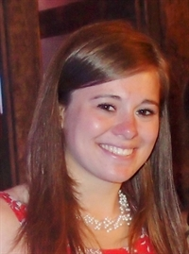 | Cardiff University, 4th Year. (Grad 2016) | I would like to go for either Team Racing Coordinator or Western Rep for the following reasons: - I was the Cardiff University Sailing Club (CUSC) President 2013/14, will be the Vice President/Secretary for 2014/15, and am the club’s Chief Instructor for RYA courses. - I organised the Welsh Dragon 2012 and was heavily involved in the organisation of the event in 2013. - I was responsible for attaining a £15,000 grant for CUSC, in addition to funding from Cardiff University too. - I have been on the team racing team for 3 years and will continue to do so for the next 2 years, and will have also competed in BUCS Finals for 3 years running. I’m also on the Yachting team. I believe the above show that I am organised, motivated, communicative and a good leader. I feel that I have plenty of experience of team racing events, knowledge of running them and know the right people. I am enthusiastic and highly committed to sailing, and would like to continue the slick operation, communication and involvement BUSA has established across the UK for the next year. I am happy to do either role, please vote for me!! | Harry Derbyshire, Cardiff University | Peter Johnson, BUSA President
Team Racing Co-ordinator | Ali Sims | 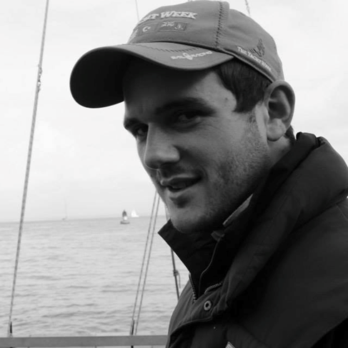 | Leeds University, 4th Year Masters. (Grad July 14) | After being involved in the Leeds University Sailing club, including Commodore 2012-13, for the past 5 years I have gained great experience of organising and running team racing events. I have now run 3 successful 18 plus team events including Northern Qualifiers and am currently training to be a National Team Racing Umpire. After graduating this summer I want to be able to continue to give back to a sport which has given me so much over my time at University. From a graduate position I hope to be able to have a broader view on team racing at universities across all UK universities, as I won’t be biased to any one club. My chosen career is Engineering and therefore I have learnt may leadership skills over my course and personal development which I believe will be very useful in my position of responsibility. I will be working in the Oil and gas industry next year, an industry which I believe holds great potential for sponsorship links for University team racing and I will endeavour to use my contacts to better the sport as a whole. | Bex Dawkes, Durham University | Ben Lawrence, Leeds University
Men's Captain | Connor Miller* |  | Loughborough University, 2nd Year (Grad 2017) | Current captain of Loughborough Sailing club. Led Irish Youth team to silver medal at Team race worlds 2011. Also have experience in match racing and fleet racing. Strong negotiating and communication skills with union representatives and sponsors. Have a wide contact base in Universities across the UK and Ireland. | Nick Wilkinson, Bristol University | Emily Nagel, Southampton University
Men's Captain | Ben Gratton* |  | Oxford University 3rd Year (Grad June 15) | I am the current Dinghy Captain of Oxford University Yacht Club, and have been a member of both the Senior and Junior committees for the past two years. In this role I organise training and events for three teams of six (team racing), which I had to select from around 35 applicants. As a sailor I have experience in all four of the disciplines that have BUCS/BUSA Championships, with highlights that include winning the 2009 ISAF Youth World Championships, finishing second twice at the BUCS/BUSA Team Racing Nationals, and being a part of the team that won both the J/80 class and U25 title at Cowes Week last year. I was a member of last year’s BUSA Tour and I believe that the experience I gained from this will be extremely beneficial not only when it comes to selecting and preparing the team for the visit to the US next year, but also to help improve the overall standard of British student sailing. | James Grant, Bristol University | Arthur Henderson, Cambridge University
Jamie Barker | South Central Rep |  | Southampton University, 1st year (Grad June 16) | I have always loved sailing, and the team racing events throughout the year and events by BUSA have now got me hooked on team racing. I have competed in 5 team racing events this year, with one being run by BUSA (South Central qualifiers) and fleet racing nationals also organised by BUSA so I know what is needed for the smooth running of these sailing events. In terms of further organisation, I am on the Wessex Sailing Club committee, I was the event manager for a 250 guest showcase event with 100 participants. I have also been part of an event organising team running tourism awards in the South of England with up to 300 guests. Along with this I was a lead instructor for the Junior sailing section at my local sailing club, helping to organise training sessions, races and weekend trips as well as organising workshops and roadshows for feeder schools into my secondary. I have the junior and community sports leadership award, have led various sports teams but I think when leading it is vital to not only lead the team, but also to be part of that team to ensure you are respected as a leader. | Emily Nagel, Southampton University | Katie Greenwood, Southampton University
Josh Flack | Midlands Rep |  | Cambridge University, Masters. (Phd Grad 17) | 4 years competing on the team racing circuit so there aren’t many events I haven’t been to! Various committee positions on the Cambridge sailing team including Captain and, this year, Commodore. 1 year on the BUSA committee. I feel I’ve done a good job of representing the member clubs based in the Midlands in 2013/14, in particular in running a successful Team Racing qualifier event. But I would like to do more for the region, in particular I’d like to organise an Umpire course, and a weekend of team race coaching (with a coach). | Amy Yeoman, Birmingham University | Ben Gratton, Oxford University
Theo Hoole | Scottish Rep |  |  | Elected by the SSS Clubs. | SSS Committee | SSS Committee
 | Western Rep
 | Northern Rep
 | Keelboat Officer
Re-elect:
President | Peter Johnson |  |  | BUSA Committee wish to re-elect Peter Johnson as President of BUSA. | BUSA Committee | BUSA Committee
Honorary Member | Alan Baser |  |  | BUSA Committee wish to re-elect Alan Baser as Honorary Member of BUSA. | BUSA Committee | BUSA Committee
Honorary Treasurer | Jon Napier |  |  | BUSA Committee wish to re-elect Jon Napier as Honorary Treasurer for BUSA. | BUSA Committee | BUSA Committee
Website Editor | Tony Mapplebeck* | 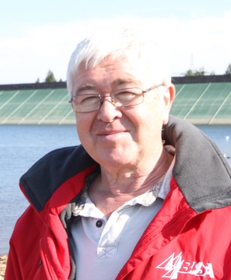 |  | BUSA Committee wish to re-elect Tony Mapplebeck as Website Editor for BUSA. | BUSA Committee | BUSA Committee

Deadline: 4pm on Monday 14th April 2014. Email to jessica.beecher@rya.org.uk

